Sheet1
Lab 2 , Group members:
Nazanin Azhdari
Matthew Bickell
Hanieh Mashayekhi
Mohammadreza Babapour

Measurement
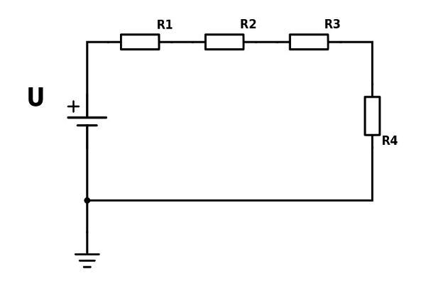

$$I= \frac{U −UR4}{R1+R2+R3}$$
 | U | 50
 | R1 | 3.00E+03
 | R2 | 3.00E+03
 | R3 | 3.00E+03
$$R4= \frac{UR4}{I}$$
 | UR4 | 5.00E+00
 | I | 0.01
 | R4 | 1000.00

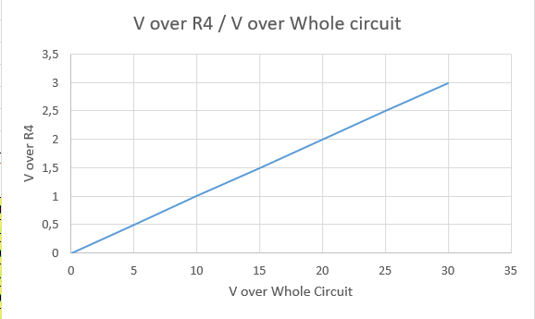

Fill in the measurement data

Phase 1
Resistor R1 (Ω) | 3000
Resistor R2 (Ω) | 3000
Resistor R3 (Ω) | 3000
Calculated value of R4 (Ω) | 1000
total resistance (Ω) | 10000

Power supply set to (V) | Circuit input voltage (V) | Voltage over R4 (V) | Current in the circuit (A) | Power loss R1 (mW) | Power loss R2 (mW) | Power loss R3 (mW) | Power loss R4 (mW)
0 | 0.0058 | 0.0006 | 0.000001 | 0.000000 | 0.000000 | 0.000000 | 0.000000
5 | 4.9960 | 0.4984 | 0.000498 | 0.000745 | 0.000745 | 0.000745 | 0.000248
10 | 9.9890 | 0.9965 | 0.000997 | 0.002979 | 0.002979 | 0.002979 | 0.000993
15 | 14.9850 | 1.4950 | 0.001495 | 0.006705 | 0.006705 | 0.006705 | 0.002235
20 | 19.9850 | 1.9937 | 0.001994 | 0.011925 | 0.011925 | 0.011925 | 0.003975
25 | 24.9770 | 2.4916 | 0.002492 | 0.018624 | 0.018624 | 0.018624 | 0.006208
30 | 29.9710 | 2.9899 | 0.002990 | 0.026819 | 0.026819 | 0.026819 | 0.008940
35 |  |  | 0.000 | 0.000 | 0.000 | 0.000 | 0.000
40 |  |  | 0.000 | 0.000 | 0.000 | 0.000 | 0.000
45 |  |  | 0.000 | 0.000 | 0.000 | 0.000 | 0.000
50 | 0.000 | 0.000 | 0.000 | 0.000 | 0.000 | 0.000 | 0.000

Phase 2
Meausured operating voltage of the Uno board (V) | 5.05

$$difference=| U uno −U fluke |$$
Power supply set to (V) | Fluke 87 input voltage (V) | AD converter output (0-1023) | Input voltage calculated in the Arduino (V) | difference (V) | Relative Error (%)
0 | 0.01 | 0.00 | 0.00 | 0.01 | 100.00
5 | 5.00 | 99.00 | 4.89 | 0.11 | 2.11
$Relative Error=\frac{| U uno −U fluke |}{U fluke}$ *100
10 | 9.99 | 201.00 | 9.92 | 0.07 | 0.67
15 | 14.98 | 303.00 | 14.96 | 0.02 | 0.15
20 | 19.98 | 405.00 | 19.99 | 0.01 | 0.05
25 | 24.97 | 506.00 | 24.98 | 0.01 | 0.03
30 | 29.97 | 607.00 | 29.96 | 0.00 | 0.02
35 |  |  |  | 0.00 | #DIV/0!
40 |  |  |  | 0.00 | #DIV/0!
45 |  |  |  | 0.00 | #DIV/0!
50 |  |  |  | 0.00 | #DIV/0!

$$U out=sensivity ∗tempreture$$
Phase 3 when the sensor is at room temperature |  |  | in LM35DZ sensor:
Resistor R1 (Ω) | 1000 |  | sesivity | 10 | mV/C
Calculated value of R2 (Ω) | 10000 |  | max tempreture | 45 | C
LM35DZ VOUT measured voltage (mV) | 227.3 |  | U out (max) | 450 | mV
LM324 U2-A measured voltage (V) | 2.5215
 |  |  | in amplifier
 |  |  | U in | 450 | mV
 |  |  | U out | 4950 | mV
 |  |  | R1 | 1000 | Ω
 |  |  | R2 | 10000 | Ω

Phase 4 when the sensor is at room temperature
Temperature shown by the Arduino Serial Monitor (°C) | 22.52

Sheet2
Palauta viimeisen tekemäsi kohdan koodi tähän alapuolelle:

